Hiearchy View
CLASS: DATA GATHERING PANEL
allows inputs and relays to be connected at a location remote from the Challenger Panel. DGP are used to expand the number of inputs and outputs in a system | 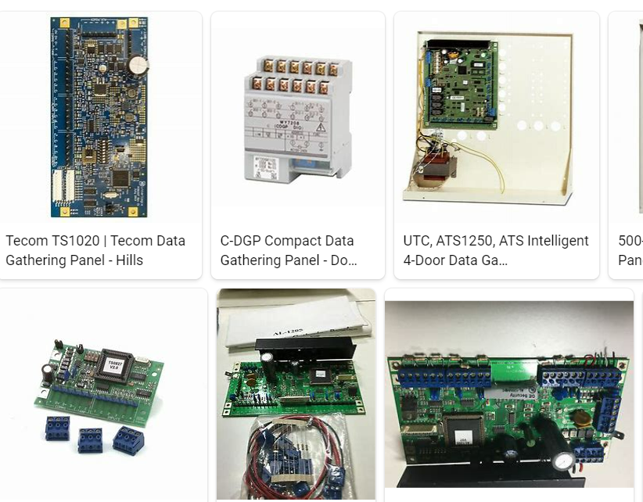
REMOVE | N

PROBLEM_DESC | CAUSE_DESC | REMEDY_DESC
ALARM/SENSOR
BROKEN/DAMAGED
OTHER PROBLEM
OVERHEATING
PESTS
POWER-ELEC
STOPPED/SLOWED/POOR OPS
TEMP-CTRL
VIBRATION
Grand Total

